Execution Admin
DIABPS Sprint 1.1 - DIABPS-34 TEST CASES |  |  |  | TESTER INFO
Test Case ID: | DIABPS_34#01 |  |  | Created By: | Jordan Helman
User Story: | DIABPS-34 - Deactivate a Tag (System-Wide) |  |  | Created On: | 2026-08-05
Story Description: | As a(n) Execution Admin, Programming Admin, or Manpower Admin, I can deactivate system-wide Tags or Tags associated with an organization that I have access to. |  |  | Reviewed By: | Kana Raghavan
User Role: | Execution Admin |  |  | Reviewed On: | 2026-08-14
Acceptance Criteria: |  |  |  | Executed By: | Jordan Helman
Environment: | DIABPS Test |  |  | Executed On: | 2026-08-21

TEST SCENARIO 1
Test Scenario: | An Execution Admin can deactivate a tag that is within their organization.
Pre-Conditions: | At least 1 Active Tag with an associated organization exists in the system (the organization must be one that the Execution Admin is within/above)
Execution Steps: |  | Input Data | Expected Result | Pass/Fail | Comments
STEP 1 | Log in as an Execution Admin https://ams-test.appiancloud.us/suite/ | Username: jordan.esexecutionadmin | The user logs in successfully and is now on the Planning Module Home page | Pass
STEP 2 | Click the "TAGS" action located under ACTIONS & RESOURCES |  | The Tags record page displays | Pass
STEP 3 | In the grid, locate the row for the Tag referenced in Pre-Conditions |  |  | Pass | [Jordan]: ES Execution Admin can deactivate any Tag. DS Execution Admin can deactivate any tag except SMO
STEP 4 | Click the "View Details" icon located in the left-most column |  | A Tag summary view displays | Pass
STEP 5 | Click the "ACTIONS" button located on the right-side of the page |  | The "Deactivate Tag" action is available | Pass
STEP 6 | Click the "Deactivate Tag" action |  | The Tag deactivation form displays in a pop-up window | Pass
STEP 7 | TAG Read-Only Text Field Verify the field displays the record's "Tag" value |  |  | Pass
STEP 8 | ACTIVE? Read-Only Rich Text Field Verify the field is set to 'Yes' |  |  | Pass
STEP 9 | DESCRIPTION Read-Only Text Field Verify the field displays the record's "Description" value |  |  | Pass
STEP 10 | ORGANIZATION Read-Only Text Field Verify the field displays the record's "Organization" value |  |  | Pass
STEP 11 | Verify a banner displays stating: "Deactivating this Tag will set it to inactive throughout the system." |  |  | Pass
STEP 12 | Click the "DEACTIVATE TAG" button |  | The pop-up window closes | Pass
STEP 13 | Verify the "Active?" field is set to 'No' |  |  | Pass
STEP 14 | Verify the "Last Modified By" field is set to the logged-in user, and the "Last Modified On" field is set to the time you deactivated the Tag |  |  | Pass
STEP 15 | Click the "All Tags" link located on the left-side of the page |  | The Tags record page displays | Pass
STEP 16 | Click the "INACTIVE" quick-filter located near the top of the page |  | The grid displays only "Inactive" Tags | Pass
STEP 17 | Scroll to the bottom of the page and click the "Show Columns" link |  | A column selection section appears | Pass
STEP 18 | Click the "All" link |  | The "Last Modified By" and "Last Modified On" columns are added to the Tag record grid | Pass
STEP 19 | Locate the row for the deactivated Tag |  |  | Pass
STEP 20 | Verify the "Active?" column is set to 'No' |  |  | Pass
STEP 21 | Verify the "Last Modified By" column is set to the logged-in user, and the "Last Modified On" column is set to the time you deactivated the Tag |  |  | Pass
STEP 22 | Log out |  | The user is logged out of the application | Pass
Overall Status: | 1. The Tag status is "Inactive" 2. The system logs who deactivated the tag and the timestamp |  |  | Pass

TEST SCENARIO 2
Test Scenario: | An Execution Admin can deactivate a system-wide tag.
Pre-Conditions: | At least 1 Active Tag with no associated organization exists in the system
Execution Steps: |  | Input Data | Expected Result | Pass/Fail | Comments
STEP 1 | Log in as an Execution Admin https://ams-test.appiancloud.us/suite/ | Username: jordan.esexecutionadmin | The user logs in successfully and is now on the Planning Module Home page | Pass
STEP 2 | Click the "TAGS" action located under ACTIONS & RESOURCES |  | The Tags record page displays | Pass
STEP 3 | In the grid, locate the row for the Tag referenced in Pre-Conditions |  |  | Pass
STEP 4 | Click the "View Details" icon located in the left-most column |  | A Tag summary view displays | Pass
STEP 5 | Click the "ACTIONS" button located on the right-side of the page |  | The "Deactivate Tag" action is available | Pass
STEP 6 | Click the "Deactivate Tag" action |  | The Tag deactivation form displays in a pop-up window | Pass
STEP 7 | TAG Read-Only Text Field Verify the field displays the record's "Tag" value |  |  | Pass
STEP 8 | ACTIVE? Read-Only Rich Text Field Verify the field is set to 'Yes' |  |  | Pass
STEP 9 | DESCRIPTION Read-Only Text Field Verify the field displays the record's "Description" value |  |  | Pass
STEP 10 | Verify a banner displays stating: "Deactivating this Tag will set it to inactive throughout the system." |  |  | Pass
STEP 11 | Click the "DEACTIVATE TAG" button |  | The pop-up window closes | Pass
STEP 12 | Verify the "Active?" field is set to 'No' |  |  | Pass
STEP 13 | Verify the "Last Modified By" field is set to the logged-in user, and the "Last Modified On" field is set to the time you deactivated the Tag |  |  | Pass
STEP 14 | Click the "All Tags" link located on the left-side of the page |  | The Tags record page displays | Pass
STEP 15 | Click the "INACTIVE" quick-filter located near the top of the page |  | The grid displays only "Inactive" Tags | Pass
STEP 16 | Scroll to the bottom of the page and click the "Show Columns" link |  | A column selection section appears | Pass
STEP 17 | Click the "All" link |  | The "Last Modified By" and "Last Modified On" columns are added to the Tag record grid | Pass
STEP 18 | Locate the row for the deactivated Tag |  |  | Pass
STEP 19 | Verify the "Active?" column is set to 'No' |  |  | Pass
STEP 20 | Verify the "Last Modified By" column is set to the logged-in user, and the "Last Modified On" column is set to the time you deactivated the Tag |  |  | Pass
STEP 21 | Log out |  | The user is logged out of the application | Pass
Overall Status: | 1. The Tag status is "Inactive" 2. The system logs who deactivated the tag and the timestamp |  |  | Pass

TEST SCENARIO 3
Test Scenario: | A deactivated Tag is denoted as such on any associated records (Requirements are the only applicable records as of Sprint 1.1).
Pre-Conditions: | At least 1 Active Tag that the Execution Admin can deactivate exists in the system (either system-wide or within their Organization). The Tag is also associated to a Requirement.
Execution Steps: |  | Input Data | Expected Result | Pass/Fail | Comments
STEP 1 | Log in as an Execution Admin https://ams-test.appiancloud.us/suite/ | Username: jordan.esexecutionadmin | The user logs in successfully and is now on the Planning Module Home page | Pass
STEP 2 | Click the "TAGS" action located under ACTIONS & RESOURCES |  | The Tags record page displays | Pass
STEP 3 | In the grid, locate the row for the Tag referenced in Pre-Conditions |  |  | Pass
STEP 4 | Click the "View Details" icon located in the left-most column |  | A Tag summary view displays | Pass
STEP 5 | Click the "ACTIONS" button located on the right-side of the page |  | The "Deactivate Tag" action is available | Pass
STEP 6 | Click the "Deactivate Tag" action |  | The Tag deactivation form displays in a pop-up window | Pass
STEP 7 | Click the "DEACTIVATE TAG" button |  | The pop-up window closes | Pass
STEP 8 | Click the "REQUIREMENTS" tab located in the Navigation Header |  | The Requirements record page displays | Pass
STEP 9 | In the grid, locate the row for the Requirement referenced in Pre-Conditions |  |  | Pass
STEP 10 | Click the link in the "ID" column for this row |  | A Requirement summary view displays | Pass
STEP 11 | Locate the "TAGS" section |  |  | Pass
STEP 12 | Verify the Tag is denoted as " - Inactive" |  |  | Pass
STEP 13 | Log out |  | The user is logged out of the application | Pass
Overall Status: | The requirement summary view denotes Inactive tags as such |  |  | Pass

TEST SCENARIO 4
Test Scenario: | In the Tag deactivate form, an Execution Admin can cancel/discard their work.
Pre-Conditions: | At least 1 Active Tag that the Execution Admin can deactivate exists in the system (either system-wide or within their Organization)
Execution Steps: |  | Input Data | Expected Result | Pass/Fail | Comments
STEP 1 | Log in as an Execution Admin https://ams-test.appiancloud.us/suite/ | Username: jordan.esexecutionadmin | The user logs in successfully and is now on the Planning Module Home page | Pass
STEP 2 | Click the "TAGS" action located under ACTIONS & RESOURCES |  | The Tags record page displays | Pass
STEP 3 | In the grid, locate the row for the Tag referenced in Pre-Conditions |  |  | Pass
STEP 4 | Click the "View Details" icon located in the left-most column |  | A Tag summary view displays | Pass
STEP 5 | Click the "ACTIONS" button located on the right-side of the page |  | The "Deactivate Tag" action is available | Pass
STEP 6 | Click the "Deactivate Tag" action |  | The Tag deactivation form displays in a pop-up window | Pass
STEP 7 | Click the "CANCEL" button |  | The pop-up window closes | Pass
STEP 8 | Verify the Tag is still Active |  |  | Pass
STEP 9 | Log out |  | The user is logged out of the application | Pass
Overall Status: | The Tag status is still "Active" |  |  | Pass

TEST SCENARIO 5
Test Scenario: | An Execution Admin cannot deactivate a Tag associated to an organization they are not within.
Pre-Conditions: | At least 1 Active Tag with an associated organization exists in the system (the organization must be one that the Execution Admin is NOT within/above)
Execution Steps: |  | Input Data | Expected Result | Pass/Fail | Comments
STEP 1 | Log in as an Execution Admin https://ams-test.appiancloud.us/suite/ | Username: jordan.dsexecutionadmin | The user logs in successfully and is now on the Planning Module Home page | Pass
STEP 2 | Click the "TAGS" action located under ACTIONS & RESOURCES |  | The Tags record page will display | Pass
STEP 3 | In the grid, locate the row for the Tag referenced in Pre-Conditions |  |  | Pass | [Jordan]: This does not apply to ES Execution Admin as they preside over all available organizations. DS Execution Admin cannot access SMOs.
STEP 4 | Click the "View Details" icon located in the left-most column |  | A Tag summary view displays | Pass
STEP 5 | Verify the "ACTIONS" button does not appear on this page |  |  | Pass
STEP 6 | Log out |  | The user is logged out of the application | Pass
Overall Status: | The user cannot access the "Deactivate Tag" action |  |  | Pass

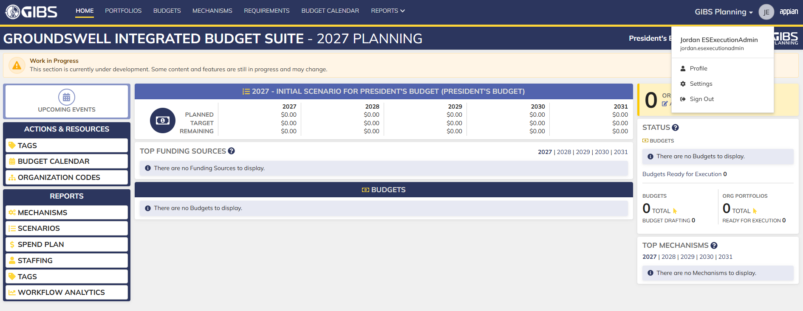
Evidences:
Scenario 1
 |  |  | Planning home page

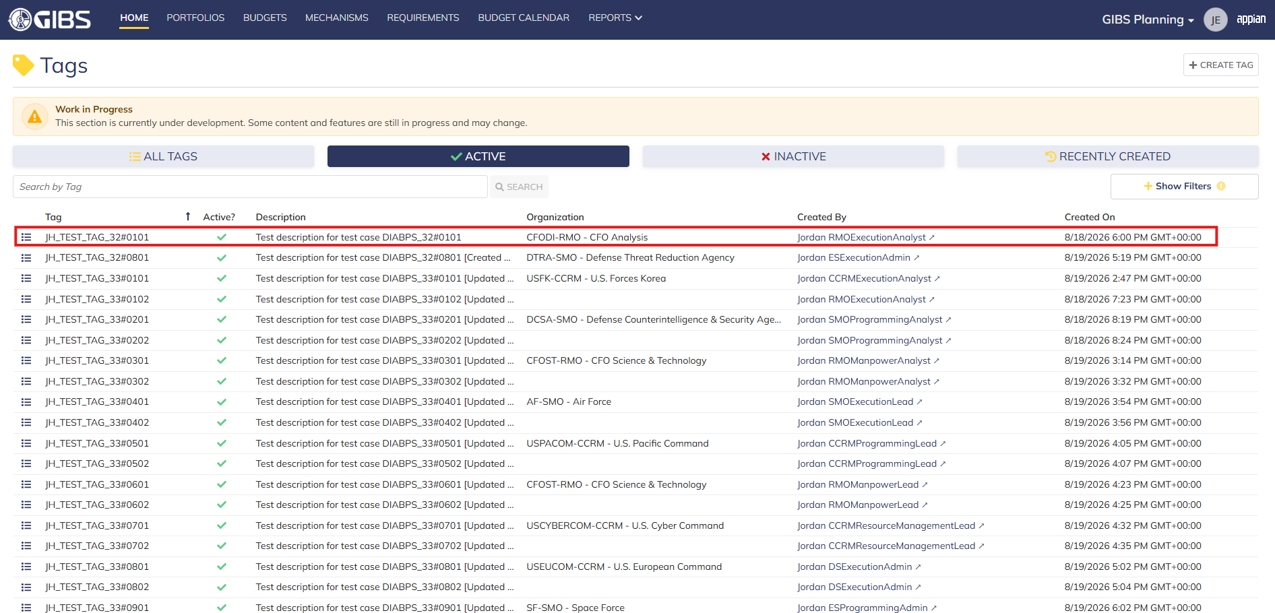
 |  |  | Tags record page. Tag referenced in Pre-Conditions noted

 |  |  | Summary View of referenced Tag. The "Deactivate Tag" action is available under the "ACTIONS" button

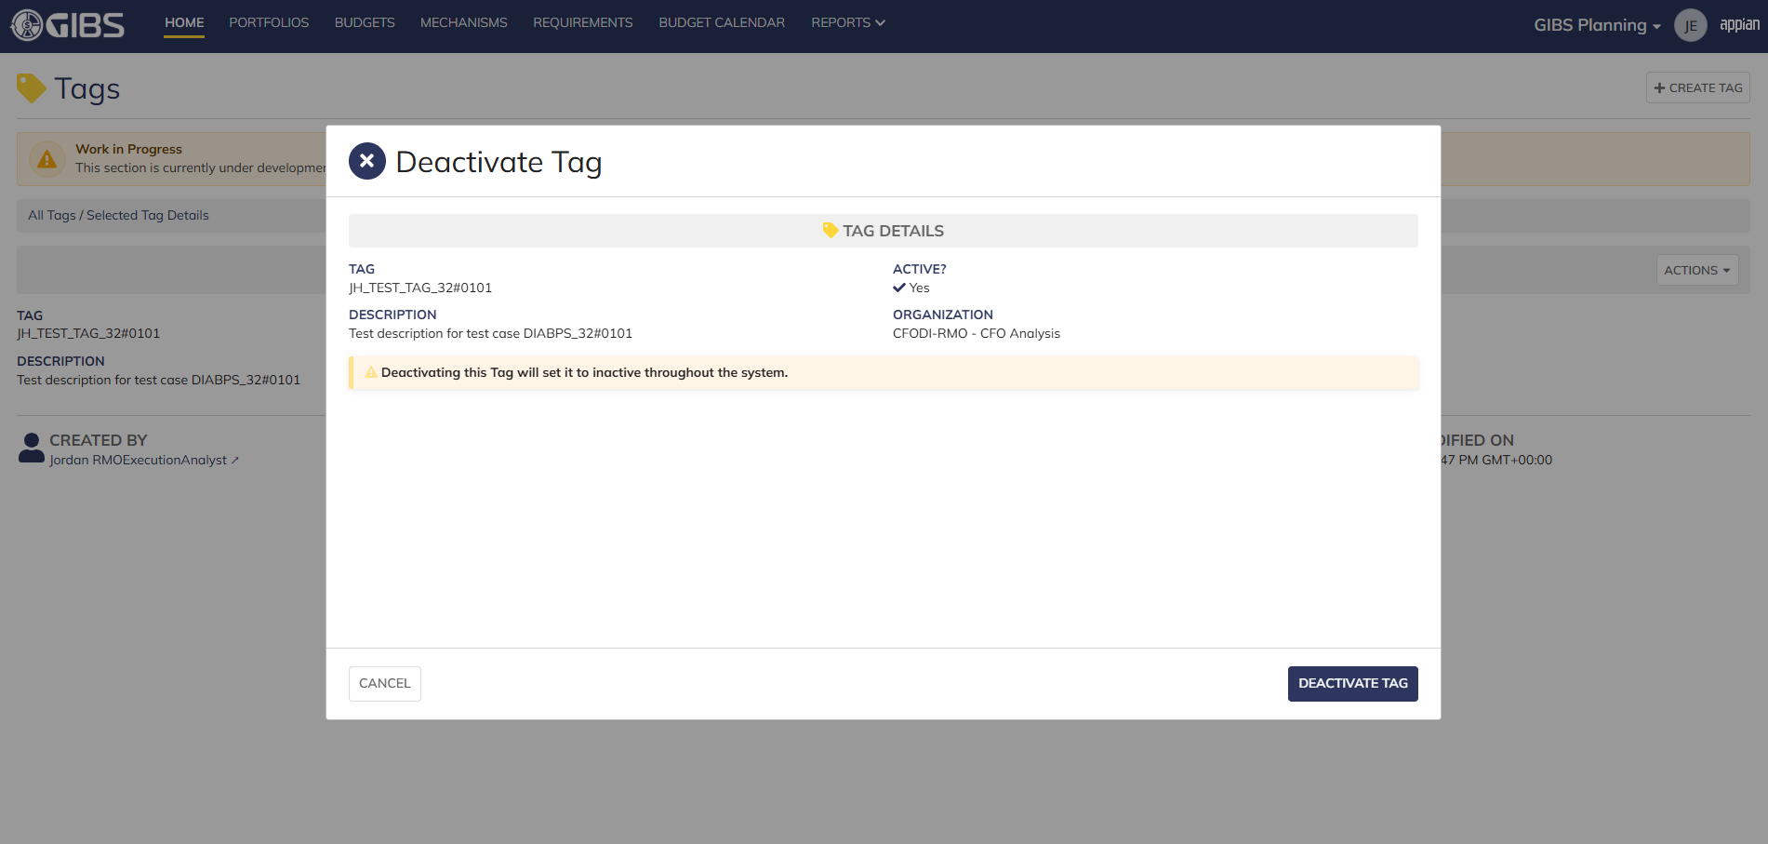
 |  |  | Tag deactivate form in pop-up window. Tag data displays as read-only

 |  |  | User successfully deactivates a tag within their organization. "Active?" is so to 'No' and audit information is saved

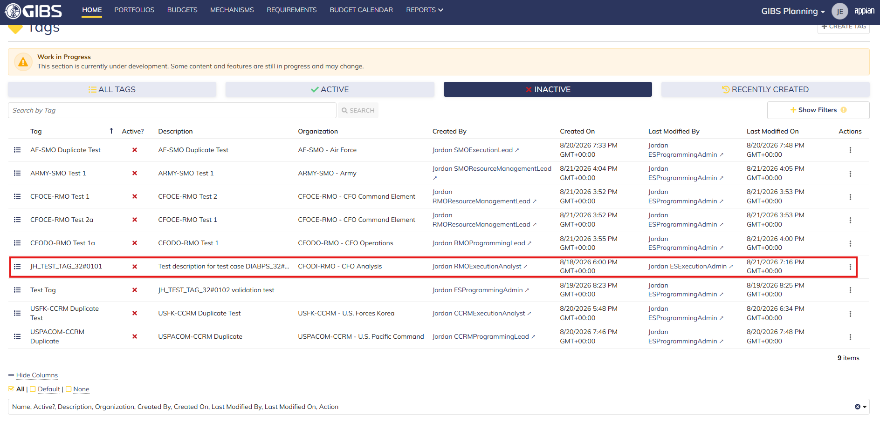
 |  |  | Grid row reflects the same data. Tag status is 'Inactive'

Scenario 2
 |  |  | Summary View of referenced Tag. The "Deactivate Tag" action is available under the "ACTIONS" button

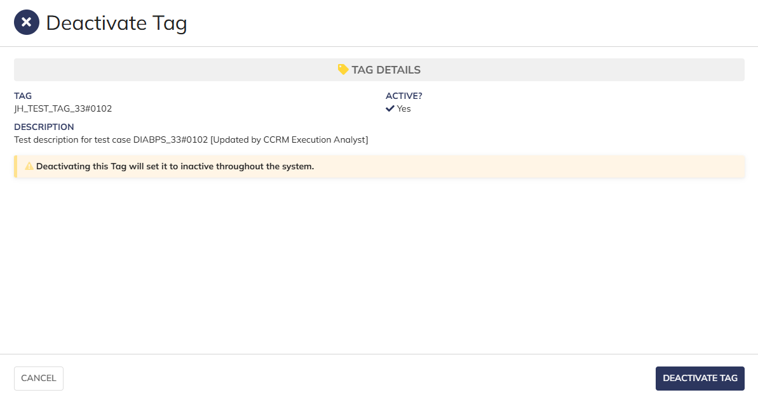

 |  |  | Tag deactivate form in pop-up window. Tag data displays as read-only

 |  |  | User successfully deactivates a system-wide tag. "Active?" is so to 'No' and audit information is saved

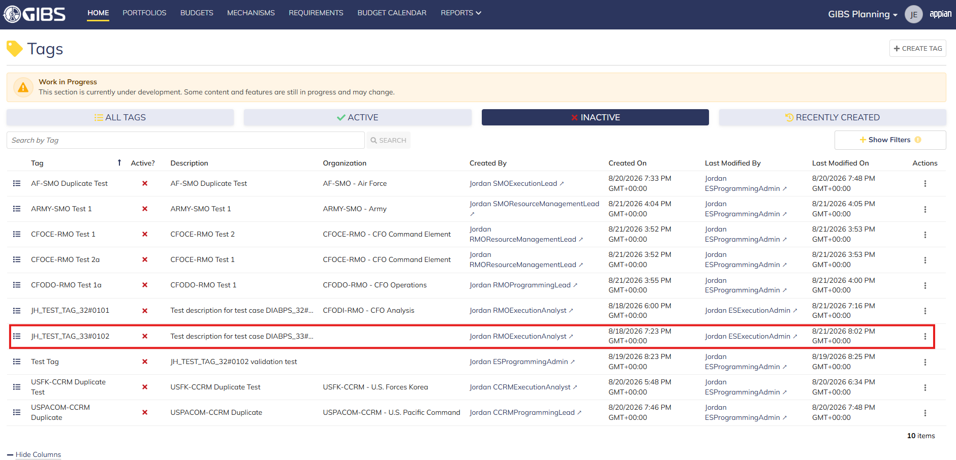
 |  |  | Grid row reflects the same data. Tag status is 'Inactive'

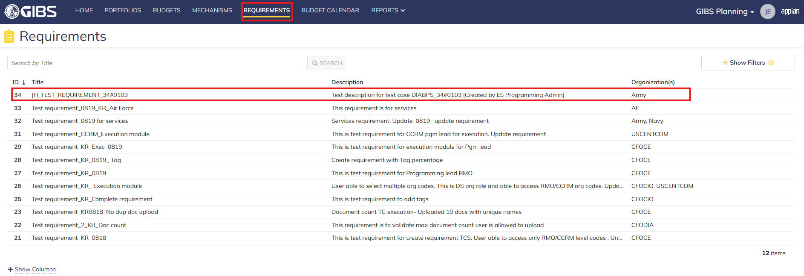
Scenario 3
 |  |  | Requirements record page. Requirement referenced in Pre-Conditions noted

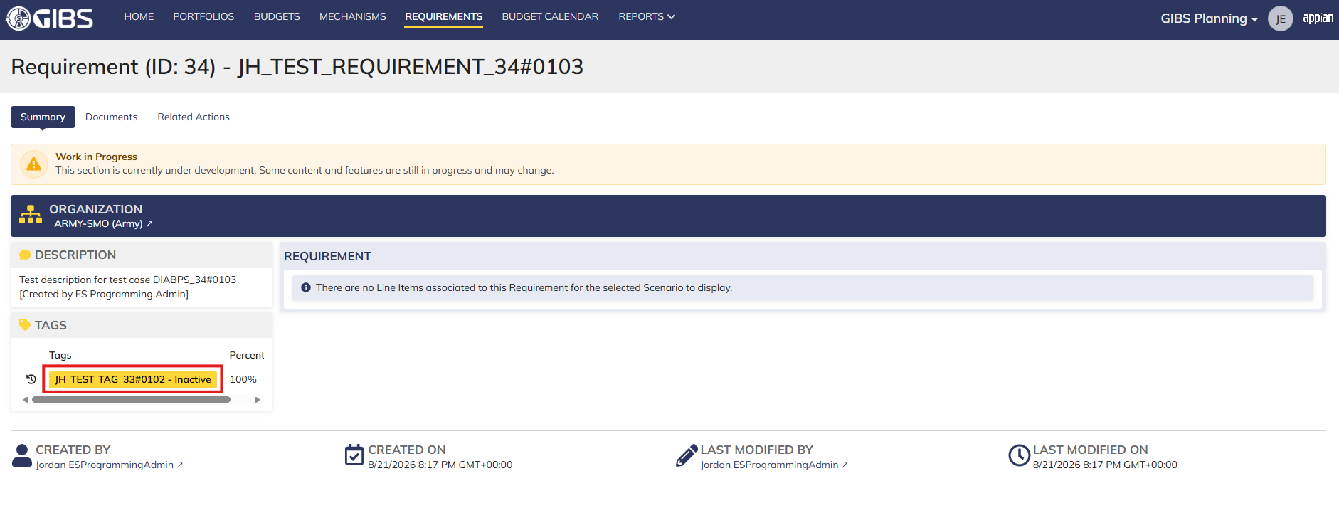
 |  |  | Associated tag is denoted as "Inactive"

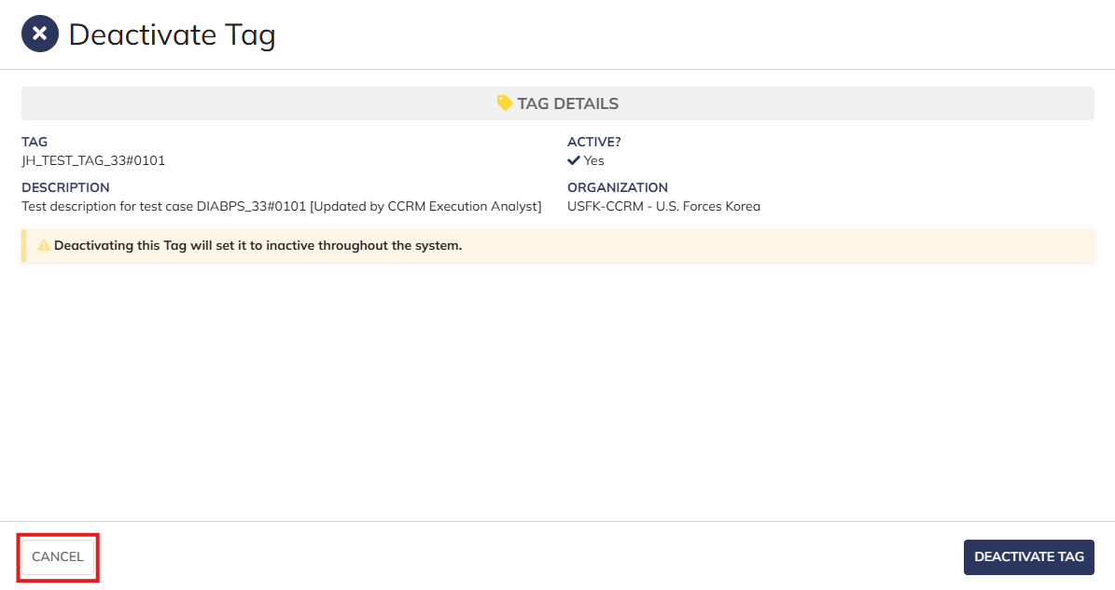
Scenario 4
 |  |  | User is able to cancel out of the form

 |  |  | The tag data is not deactivated after clicking "CANCEL"

Scenario 5
 |  |  | Summary View of a tag associated to an SMO (as DS Execution Admin). The "ACTIONS" button is hidden

Programming Admin
DIABPS Sprint 1.1 - DIABPS-34 TEST CASES |  |  |  | TESTER INFO
Test Case ID: | DIABPS_34#02 |  |  | Created By: | Jordan Helman
User Story: | DIABPS-34 - Deactivate a Tag (System-Wide) |  |  | Created On: | 2026-08-05
Story Description: | As a(n) Execution Admin, Programming Admin, or Manpower Admin, I can deactivate system-wide Tags or Tags associated with an organization that I have access to. |  |  | Reviewed By: | Kana Raghavan
User Role: | Programming Admin |  |  | Reviewed On: | 2026-08-14
Acceptance Criteria: |  |  |  | Executed By: | Jordan Helman
Environment: | DIABPS Test |  |  | Executed On: | 2026-08-21

TEST SCENARIO 1
Test Scenario: | A Programming Admin can deactivate a tag that is within their organization.
Pre-Conditions: | At least 1 Active Tag with an associated organization exists in the system (the organization must be one that the Programming Admin is within/above)
Execution Steps: |  | Input Data | Expected Result | Pass/Fail | Comments
STEP 1 | Log in as a Programming Admin https://ams-test.appiancloud.us/suite/ | Username: jordan.dsprogrammingadmin | The user logs in successfully and is now on the Planning Module Home page | Pass
STEP 2 | Click the "TAGS" action located under ACTIONS & RESOURCES |  | The Tags record page displays | Pass
STEP 3 | In the grid, locate the row for the Tag referenced in Pre-Conditions |  |  | Pass | [Jordan]: ES Programming Admin can deactivate any Tag. DS Programming Admin can deactivate any tag except SMO
STEP 4 | Click the "View Details" icon located in the left-most column |  | A Tag summary view displays | Pass
STEP 5 | Click the "ACTIONS" button located on the right-side of the page |  | The "Deactivate Tag" action is available | Pass
STEP 6 | Click the "Deactivate Tag" action |  | The Tag deactivation form displays in a pop-up window | Pass
STEP 7 | TAG Read-Only Text Field Verify the field displays the record's "Tag" value |  |  | Pass
STEP 8 | ACTIVE? Read-Only Rich Text Field Verify the field is set to 'Yes' |  |  | Pass
STEP 9 | DESCRIPTION Read-Only Text Field Verify the field displays the record's "Description" value |  |  | Pass
STEP 10 | ORGANIZATION Read-Only Text Field Verify the field displays the record's "Organization" value |  |  | Pass
STEP 11 | Verify a banner displays stating: "Deactivating this Tag will set it to inactive throughout the system." |  |  | Pass
STEP 12 | Click the "DEACTIVATE TAG" button |  | The pop-up window closes | Pass
STEP 13 | Verify the "Active?" field is set to 'No' |  |  | Pass
STEP 14 | Verify the "Last Modified By" field is set to the logged-in user, and the "Last Modified On" field is set to the time you deactivated the Tag |  |  | Pass
STEP 15 | Click the "All Tags" link located on the left-side of the page |  | The Tags record page displays | Pass
STEP 16 | Click the "INACTIVE" quick-filter located near the top of the page |  | The grid displays only "Inactive" Tags | Pass
STEP 17 | Scroll to the bottom of the page and click the "Show Columns" link |  | A column selection section appears | Pass
STEP 18 | Click the "All" link |  | The "Last Modified By" and "Last Modified On" columns are added to the Tag record grid | Pass
STEP 19 | Locate the row for the deactivated Tag |  |  | Pass
STEP 20 | Verify the "Active?" column is set to 'No' |  |  | Pass
STEP 21 | Verify the "Last Modified By" column is set to the logged-in user, and the "Last Modified On" column is set to the time you deactivated the Tag |  |  | Pass
STEP 22 | Log out |  | The user is logged out of the application | Pass
Overall Status: | 1. The Tag status is "Inactive" 2. The system logs who deactivated the tag and the timestamp |  |  | Pass

TEST SCENARIO 2
Test Scenario: | A Programming Admin can deactivate a system-wide tag.
Pre-Conditions: | At least 1 Active Tag with no associated organization exists in the system
Execution Steps: |  | Input Data | Expected Result | Pass/Fail | Comments
STEP 1 | Log in as a Programming Admin https://ams-test.appiancloud.us/suite/ | Username: jordan.dsprogrammingadmin | The user logs in successfully and is now on the Planning Module Home page | Pass
STEP 2 | Click the "TAGS" action located under ACTIONS & RESOURCES |  | The Tags record page displays | Pass
STEP 3 | In the grid, locate the row for the Tag referenced in Pre-Conditions |  |  | Pass
STEP 4 | Click the "View Details" icon located in the left-most column |  | A Tag summary view displays | Pass
STEP 5 | Click the "ACTIONS" button located on the right-side of the page |  | The "Deactivate Tag" action is available | Pass
STEP 6 | Click the "Deactivate Tag" action |  | The Tag deactivation form displays in a pop-up window | Pass
STEP 7 | TAG Read-Only Text Field Verify the field displays the record's "Tag" value |  |  | Pass
STEP 8 | ACTIVE? Read-Only Rich Text Field Verify the field is set to 'Yes' |  |  | Pass
STEP 9 | DESCRIPTION Read-Only Text Field Verify the field displays the record's "Description" value |  |  | Pass
STEP 10 | Verify a banner displays stating: "Deactivating this Tag will set it to inactive throughout the system." |  |  | Pass
STEP 11 | Click the "DEACTIVATE TAG" button |  | The pop-up window closes | Pass
STEP 12 | Verify the "Active?" field is set to 'No' |  |  | Pass
STEP 13 | Verify the "Last Modified By" field is set to the logged-in user, and the "Last Modified On" field is set to the time you deactivated the Tag |  |  | Pass
STEP 14 | Click the "All Tags" link located on the left-side of the page |  | The Tags record page displays | Pass
STEP 15 | Click the "INACTIVE" quick-filter located near the top of the page |  | The grid displays only "Inactive" Tags | Pass
STEP 16 | Scroll to the bottom of the page and click the "Show Columns" link |  | A column selection section appears | Pass
STEP 17 | Click the "All" link |  | The "Last Modified By" and "Last Modified On" columns are added to the Tag record grid | Pass
STEP 18 | Locate the row for the deactivated Tag |  |  | Pass
STEP 19 | Verify the "Active?" column is set to 'No' |  |  | Pass
STEP 20 | Verify the "Last Modified By" column is set to the logged-in user, and the "Last Modified On" column is set to the time you deactivated the Tag |  |  | Pass
STEP 21 | Log out |  | The user is logged out of the application | Pass
Overall Status: | 1. The Tag status is "Inactive" 2. The system logs who deactivated the tag and the timestamp |  |  | Pass

TEST SCENARIO 3
Test Scenario: | A Programming Admin cannot deactivate a Tag associated to an organization they are not within.
Pre-Conditions: | At least 1 Active Tag with an associated organization exists in the system (the organization must be one that the Programming Admin is NOT within/above)
Execution Steps: |  | Input Data | Expected Result | Pass/Fail | Comments
STEP 1 | Log in as a Programming Admin https://ams-test.appiancloud.us/suite/ | Username: jordan.dsprogrammingadmin | The user logs in successfully and is now on the Planning Module Home page | Pass
STEP 2 | Click the "TAGS" action located under ACTIONS & RESOURCES |  | The Tags record page will display | Pass
STEP 3 | In the grid, locate the row for the Tag referenced in Pre-Conditions |  |  | Pass | [Jordan]: This does not apply to ES Programming Admin as they preside over all available organizations. DS Programming Admin cannot access SMOs.
STEP 4 | Click the "View Details" icon located in the left-most column |  | A Tag summary view displays | Pass
STEP 5 | Verify the "ACTIONS" button does not appear on this page |  |  | Pass
STEP 6 | Log out |  | The user is logged out of the application | Pass
Overall Status: | The user cannot access the "Deactivate Tag" action |  |  | Pass


Evidences:
Scenario 1
 |  |  | Planning home page

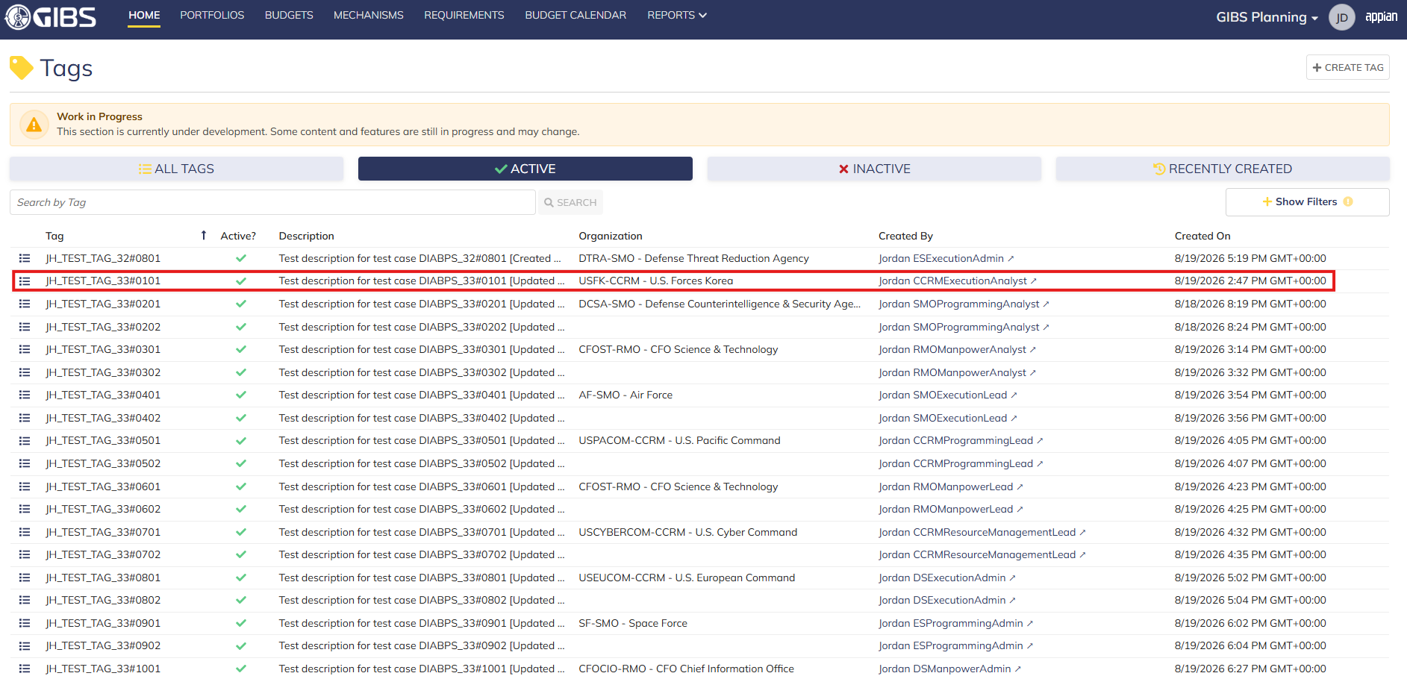
 |  |  | Tags record page. Tag referenced in Pre-Conditions noted

 |  |  | Summary View of referenced Tag. The "Deactivate Tag" action is available under the "ACTIONS" button

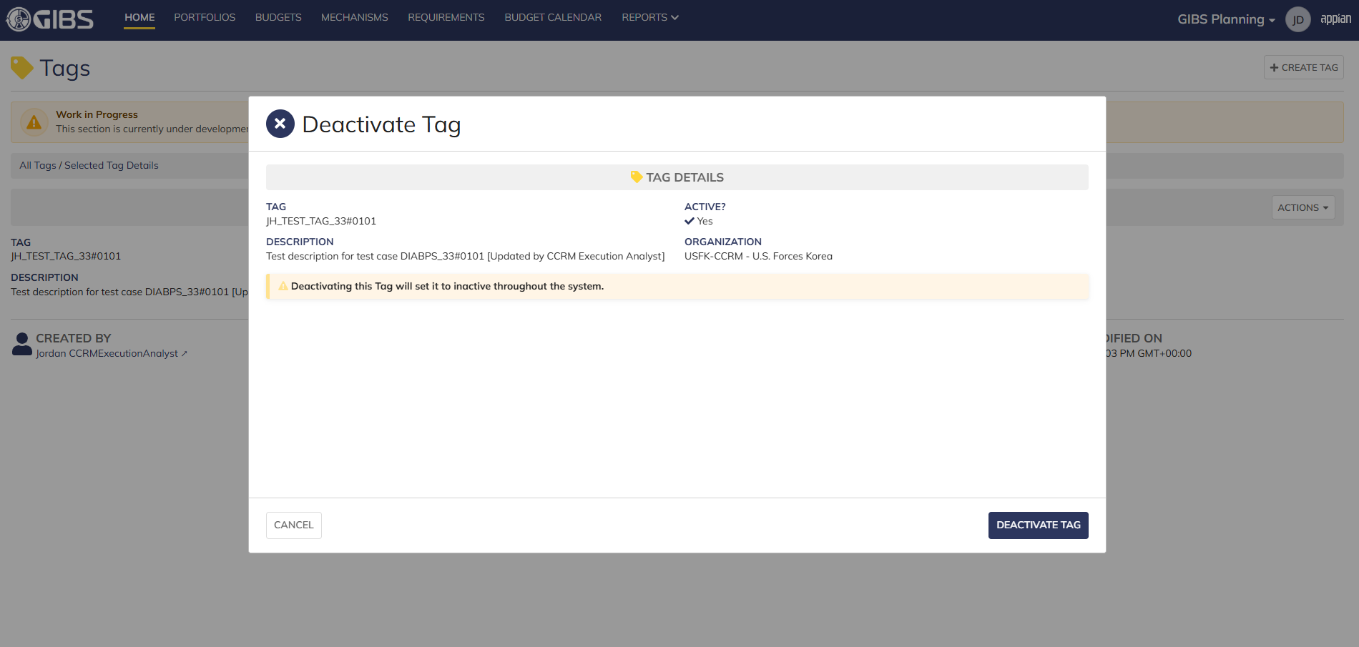
 |  |  | Tag deactivate form in pop-up window. Tag data displays as read-only

 |  |  | User successfully deactivates a tag within their organization. "Active?" is so to 'No' and audit information is saved

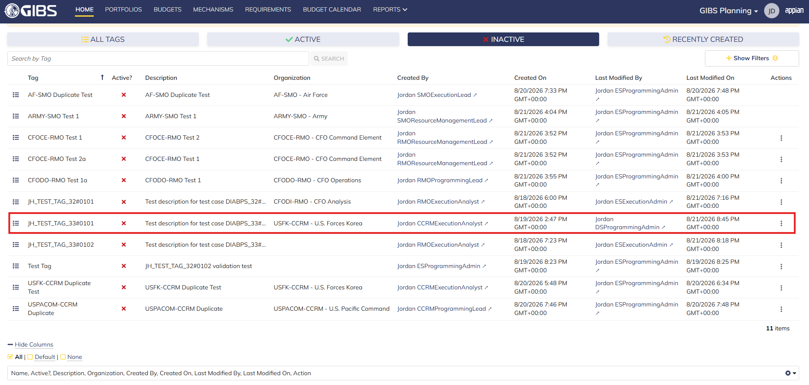
 |  |  | Grid row reflects the same data. Tag status is 'Inactive'

Scenario 2
 |  |  | Summary View of referenced Tag. The "Deactivate Tag" action is available under the "ACTIONS" button

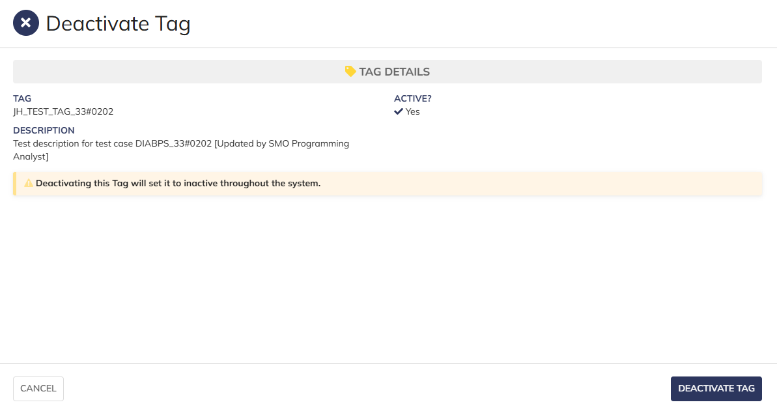
 |  |  | Tag deactivate form in pop-up window. Tag data displays as read-only

 |  |  | User successfully deactivates a system-wide tag. "Active?" is so to 'No' and audit information is saved

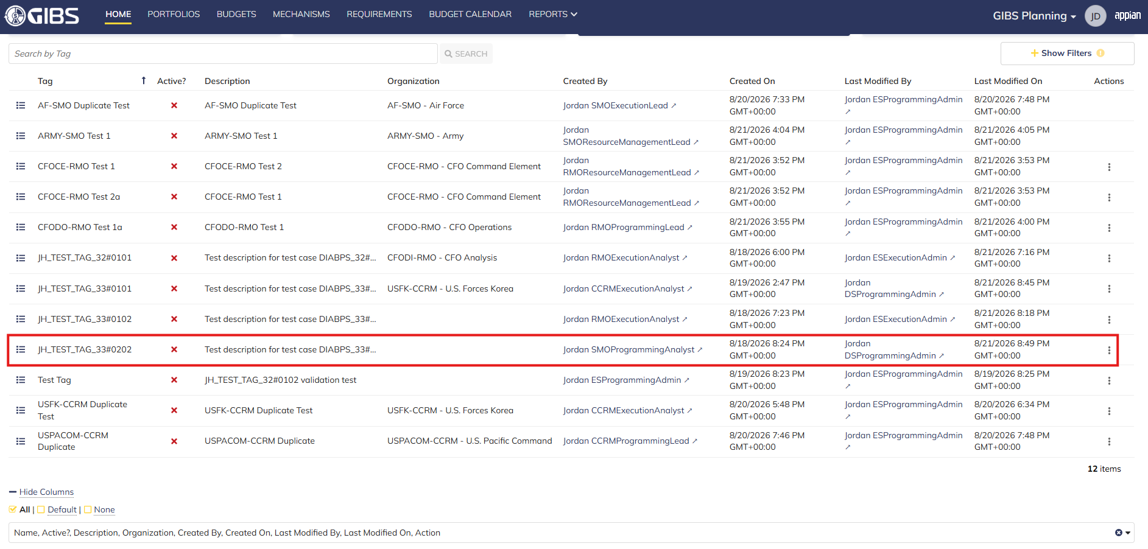
 |  |  | Grid row reflects the same data. Tag status is 'Inactive'

Scenario 3
 |  |  | Summary View of a tag associated to an SMO. The "ACTIONS" button is hidden

Manpower Admin
DIABPS Sprint 1.1 - DIABPS-34 TEST CASES |  |  |  | TESTER INFO
Test Case ID: | DIABPS_34#03 |  |  | Created By: | Jordan Helman
User Story: | DIABPS-34 - Deactivate a Tag (System-Wide) |  |  | Created On: | 2026-08-05
Story Description: | As a(n) Execution Admin, Programming Admin, or Manpower Admin, I can deactivate system-wide Tags or Tags associated with an organization that I have access to. |  |  | Reviewed By: | Kana Raghavan
User Role: | Manpower Admin |  |  | Reviewed On: | 2026-08-14
Acceptance Criteria: |  |  |  | Executed By: | Jordan Helman
Environment: | DIABPS Test |  |  | Executed On: | 2026-08-21

TEST SCENARIO 1
Test Scenario: | A Manpower Admin can deactivate a tag that is within their organization.
Pre-Conditions: | At least 1 Active Tag with an associated organization exists in the system (the organization must be one that the Manpower Admin is within/above)
Execution Steps: |  | Input Data | Expected Result | Pass/Fail | Comments
STEP 1 | Log in as a Manpower Admin https://ams-test.appiancloud.us/suite/ | Username: jordan.dsmanpoweradmin | The user logs in successfully and is now on the Planning Module Home page | Pass
STEP 2 | Click the "TAGS" action located under ACTIONS & RESOURCES |  | The Tags record page displays | Pass
STEP 3 | In the grid, locate the row for the Tag referenced in Pre-Conditions |  |  | Pass | [Jordan]: Manpower Admin can deactivate any tag except SMO
STEP 4 | Click the "View Details" icon located in the left-most column |  | A Tag summary view displays | Pass
STEP 5 | Click the "ACTIONS" button located on the right-side of the page |  | The "Deactivate Tag" action is available | Pass
STEP 6 | Click the "Deactivate Tag" action |  | The Tag deactivation form displays in a pop-up window | Pass
STEP 7 | TAG Read-Only Text Field Verify the field displays the record's "Tag" value |  |  | Pass
STEP 8 | ACTIVE? Read-Only Rich Text Field Verify the field is set to 'Yes' |  |  | Pass
STEP 9 | DESCRIPTION Read-Only Text Field Verify the field displays the record's "Description" value |  |  | Pass
STEP 10 | ORGANIZATION Read-Only Text Field Verify the field displays the record's "Organization" value |  |  | Pass
STEP 11 | Verify a banner displays stating: "Deactivating this Tag will set it to inactive throughout the system." |  |  | Pass
STEP 12 | Click the "DEACTIVATE TAG" button |  | The pop-up window closes | Pass
STEP 13 | Verify the "Active?" field is set to 'No' |  |  | Pass
STEP 14 | Verify the "Last Modified By" field is set to the logged-in user, and the "Last Modified On" field is set to the time you deactivated the Tag |  |  | Pass
STEP 15 | Click the "All Tags" link located on the left-side of the page |  | The Tags record page displays | Pass
STEP 16 | Click the "INACTIVE" quick-filter located near the top of the page |  | The grid displays only "Inactive" Tags | Pass
STEP 17 | Scroll to the bottom of the page and click the "Show Columns" link |  | A column selection section appears | Pass
STEP 18 | Click the "All" link |  | The "Last Modified By" and "Last Modified On" columns are added to the Tag record grid | Pass
STEP 19 | Locate the row for the deactivated Tag |  |  | Pass
STEP 20 | Verify the "Active?" column is set to 'No' |  |  | Pass
STEP 21 | Verify the "Last Modified By" column is set to the logged-in user, and the "Last Modified On" column is set to the time you deactivated the Tag |  |  | Pass
STEP 22 | Log out |  | The user is logged out of the application | Pass
Overall Status: | 1. The Tag status is "Inactive" 2. The system logs who deactivated the tag and the timestamp |  |  | Pass

TEST SCENARIO 2
Test Scenario: | A Manpower Admin can deactivate a system-wide tag.
Pre-Conditions: | At least 1 Active Tag with no associated organization exists in the system
Execution Steps: |  | Input Data | Expected Result | Pass/Fail | Comments
STEP 1 | Log in as a Manpower Admin https://ams-test.appiancloud.us/suite/ | Username: jordan.dsmanpoweradmin | The user logs in successfully and is now on the Planning Module Home page | Pass
STEP 2 | Click the "TAGS" action located under ACTIONS & RESOURCES |  | The Tags record page displays | Pass
STEP 3 | In the grid, locate the row for the Tag referenced in Pre-Conditions |  |  | Pass
STEP 4 | Click the "View Details" icon located in the left-most column |  | A Tag summary view displays | Pass
STEP 5 | Click the "ACTIONS" button located on the right-side of the page |  | The "Deactivate Tag" action is available | Pass
STEP 6 | Click the "Deactivate Tag" action |  | The Tag deactivation form displays in a pop-up window | Pass
STEP 7 | TAG Read-Only Text Field Verify the field displays the record's "Tag" value |  |  | Pass
STEP 8 | ACTIVE? Read-Only Rich Text Field Verify the field is set to 'Yes' |  |  | Pass
STEP 9 | DESCRIPTION Read-Only Text Field Verify the field displays the record's "Description" value |  |  | Pass
STEP 10 | Verify a banner displays stating: "Deactivating this Tag will set it to inactive throughout the system." |  |  | Pass
STEP 11 | Click the "DEACTIVATE TAG" button |  | The pop-up window closes | Pass
STEP 12 | Verify the "Active?" field is set to 'No' |  |  | Pass
STEP 13 | Verify the "Last Modified By" field is set to the logged-in user, and the "Last Modified On" field is set to the time you deactivated the Tag |  |  | Pass
STEP 14 | Click the "All Tags" link located on the left-side of the page |  | The Tags record page displays | Pass
STEP 15 | Click the "INACTIVE" quick-filter located near the top of the page |  | The grid displays only "Inactive" Tags | Pass
STEP 16 | Scroll to the bottom of the page and click the "Show Columns" link |  | A column selection section appears | Pass
STEP 17 | Click the "All" link |  | The "Last Modified By" and "Last Modified On" columns are added to the Tag record grid | Pass
STEP 18 | Locate the row for the deactivated Tag |  |  | Pass
STEP 19 | Verify the "Active?" column is set to 'No' |  |  | Pass
STEP 20 | Verify the "Last Modified By" column is set to the logged-in user, and the "Last Modified On" column is set to the time you deactivated the Tag |  |  | Pass
STEP 21 | Log out |  | The user is logged out of the application | Pass
Overall Status: | 1. The Tag status is "Inactive" 2. The system logs who deactivated the tag and the timestamp |  |  | Pass

TEST SCENARIO 3
Test Scenario: | A Manpower Admin cannot deactivate a Tag associated to an organization they are not within.
Pre-Conditions: | At least 1 Active Tag with an associated organization exists in the system (the organization must be one that the Manpower Admin is NOT within/above)
Execution Steps: |  | Input Data | Expected Result | Pass/Fail | Comments
STEP 1 | Log in as a Manpower Admin https://ams-test.appiancloud.us/suite/ | Username: jordan.dsmanpoweradmin | The user logs in successfully and is now on the Planning Module Home page | Pass
STEP 2 | Click the "TAGS" action located under ACTIONS & RESOURCES |  | The Tags record page will display | Pass
STEP 3 | In the grid, locate the row for the Tag referenced in Pre-Conditions |  |  | Pass
STEP 4 | Click the "View Details" icon located in the left-most column |  | A Tag summary view displays | Pass
STEP 5 | Verify the "ACTIONS" button does not appear on this page |  |  | Pass
STEP 6 | Log out |  | The user is logged out of the application | Pass
Overall Status: | The user cannot access the "Deactivate Tag" action |  |  | Pass

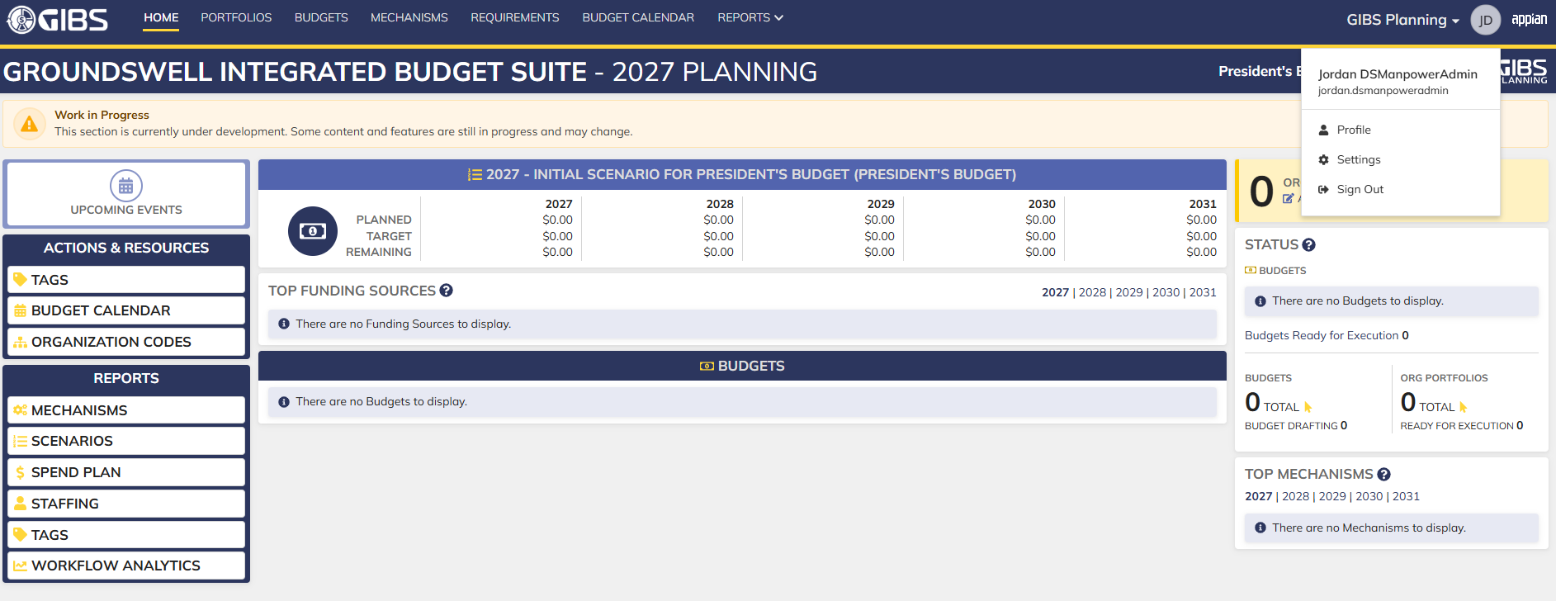
Evidences:
Scenario 1
 |  |  | Planning home page

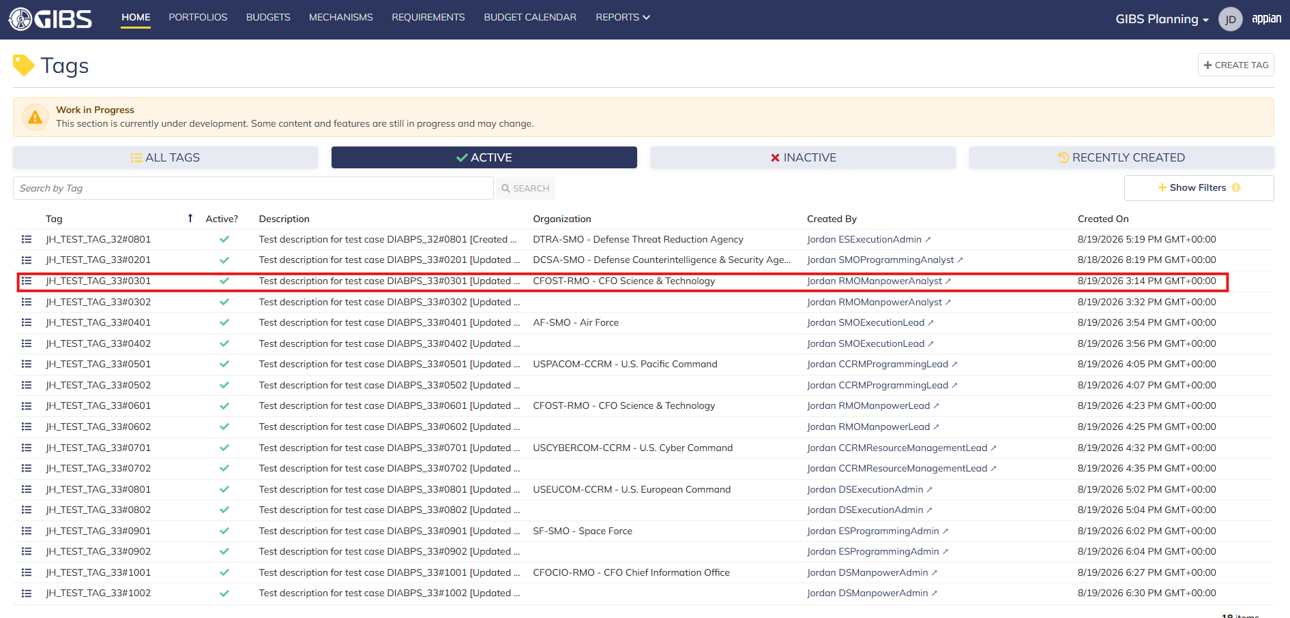
 |  |  | Tags record page. Tag referenced in Pre-Conditions noted

 |  |  | Summary View of referenced Tag. The "Deactivate Tag" action is available under the "ACTIONS" button

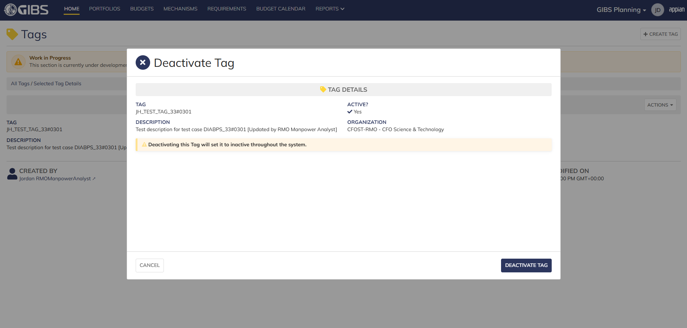
 |  |  | Tag deactivate form in pop-up window. Tag data displays as read-only

 |  |  | User successfully deactivates a tag within their organization. "Active?" is so to 'No' and audit information is saved

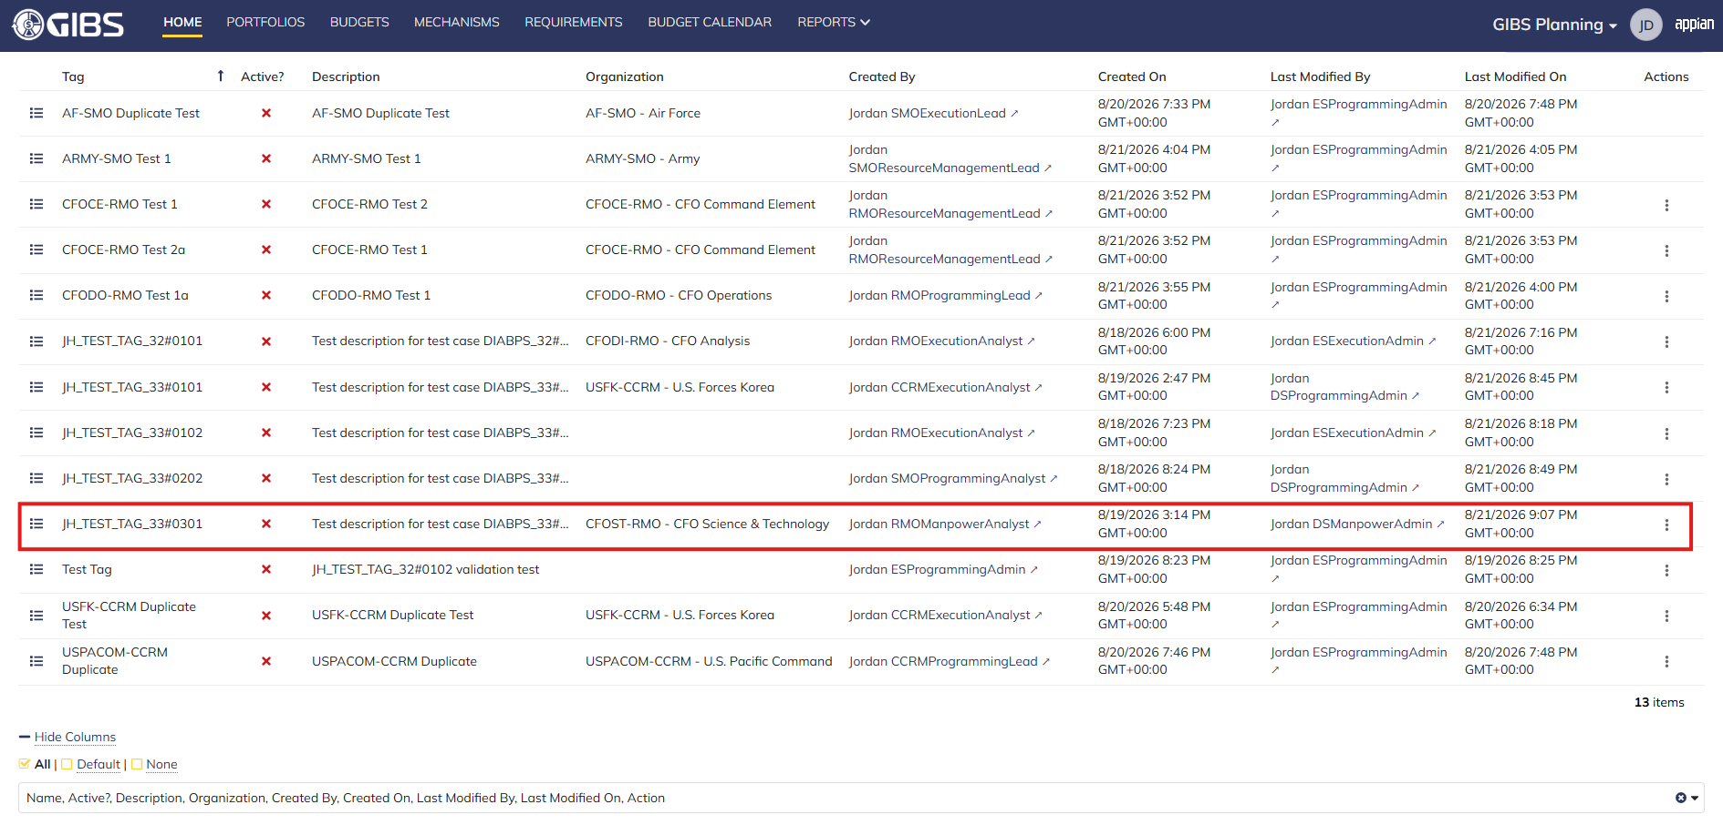
 |  |  | Grid row reflects the same data. Tag status is 'Inactive'

Scenario 2
 |  |  | Summary View of referenced Tag. The "Deactivate Tag" action is available under the "ACTIONS" button


 |  |  | Tag deactivate form in pop-up window. Tag data displays as read-only

 |  |  | User successfully deactivates a system-wide tag. "Active?" is so to 'No' and audit information is saved

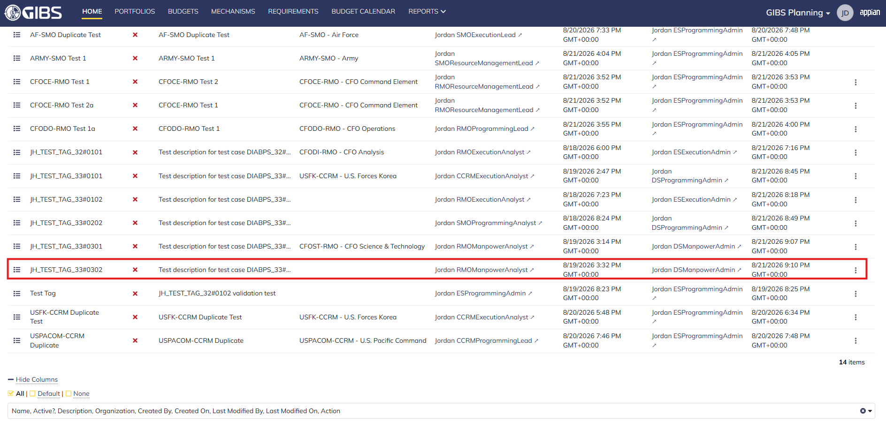
 |  |  | Grid row reflects the same data. Tag status is 'Inactive'

Scenario 3
 |  |  | Summary View of a tag associated to an SMO. The "ACTIONS" button is hidden

All Other Roles
DIABPS Sprint 1.1 - DIABPS-34 TEST CASES |  |  |  | TESTER INFO
Test Case ID: | DIABPS_34#04 |  |  | Created By: | Jordan Helman
User Story: | DIABPS-34 - Deactivate a Tag (System-Wide) |  |  | Created On: | 2026-08-05
Story Description: | As a(n) Execution Admin, Programming Admin, or Manpower Admin, I can deactivate system-wide Tags or Tags associated with an organization that I have access to. |  |  | Reviewed By: | Kana Raghavan
User Role: | Execution Analyst, Programming Analyst, Manpower Analyst, Execution Lead, Programming Lead, Manpower Lead, Resource Management Lead, Viewer, Business Manager, Office Chief |  |  | Reviewed On: | 2026-08-14
Acceptance Criteria: |  |  |  | Executed By: | Jordan Helman
Environment: | DIABPS Test |  |  | Executed On: | 2026-08-21

TEST SCENARIO 1
Test Scenario: | A user cannot deactivate a tag if their role is not applicable.
Pre-Conditions: | 1. At least 1 Active Tag with no associated organization exists in the system 2. At least 1 Active Tag for each listed User Role with an associated organization exists in the system (the organization must be one that the User is within/beneath/above)
Execution Steps: |  | Input Data | Expected Result | Pass/Fail | Comments
STEP 1 | Log in as a user with any listed User Role (ex: Execution Analyst) https://ams-test.appiancloud.us/suite/ | Username: jordan.ccrmexecutionanalyst | The user logs in successfully and is now on the Planning Module Home page | Pass | [Jordan]: Tested as CCRM Execution Analyst
STEP 2 | Click the "TAGS" action located under ACTIONS & RESOURCES |  | The Tags record page displays | Pass
STEP 3 | In the grid, locate the row for the Tag referenced in Pre-Condition #1 |  |  | Pass
STEP 4 | Click the "View Details" icon located in the left-most column |  | A Tag summary view displays | Pass
STEP 5 | Verify the "ACTIONS" button does not appear on this page OR "Deactivate Tag" is not an available action |  |  | Pass
STEP 6 | Click the "All Tags" link located on the left-side of the page |  | The Tags record page displays | Pass
STEP 7 | In the grid, locate the row for the Tag referenced in Pre-Condition #2 |  |  | Pass
STEP 8 | Click the "View Details" icon located in the left-most column |  | A Tag summary view displays | Pass
STEP 9 | Verify the "ACTIONS" button does not appear on this page OR "Deactivate Tag" is not an available action |  |  | Pass
STEP 10 | Log out |  | The user is logged out of the application | Pass
STEP 11 | Repeat all steps for each listed User Role | Programming Analyst: jordan.smoprogramminganalyst Manpower Analyst: jordan.rmomanpoweranalyst Execution Lead: jordan.smoexecutionlead Programming Lead: jordan.rmoprogramminglead Manpower Lead: jordan.rmomanpowerlead Resource Management Lead: jordan.ccrmresourcemanagementlead Viewer: jordan.esviewer Business Manager: jordan.ddforbusinessmanager Office Chief: jordan.officechief |  | Pass
Overall Status: | Non-applicable User Roles cannot access the Tag deactivate form |  |  | Pass


Evidences:
Scenario 1
 |  |  | Planning home page

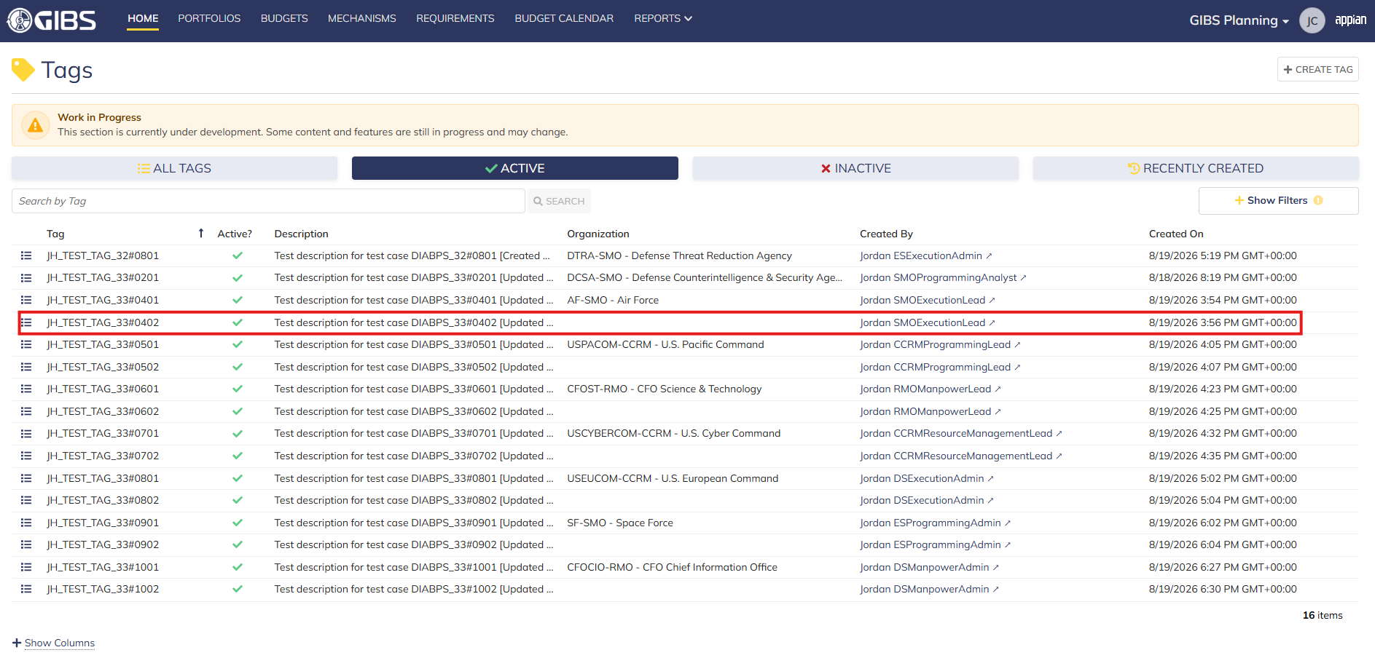
 |  |  | Tags record page. Tag referenced in Pre-Conditions noted

 |  |  | Summary View of a system-wide tag. The "Deactivate Tag" action is not available.

 |  |  | Summary View of a tag associated to an organization. The "ACTIONS" button is hidden

